Sheet1
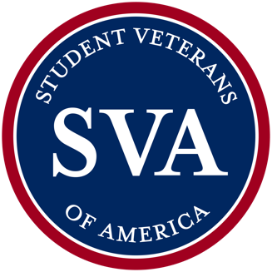
Step 1: Plan your NatCon Team
CHAPTER NAME:
WHO IS GOING? | Name | Email | Phone | Registration Type | T-Shirt Size
Chapter Advisor |  |  |  |  |  | XS
Chapter President |  |  |  |  |  | S
Chapter Vide President |  |  |  |  |  | M
Chapter Treasurer |  |  |  |  |  | L
Chapter Secretary |  |  |  |  |  | XL | NatCon Cost Estimator
Career Services Liaison |  |  |  |  |  | XXL | Registration | School Employee | $- | Estimated rate $580 * the number of school employees from step 2
Disability Services Liaison |  |  |  |  |  | 3XL |  | Student Registration | $- | Estimated rate $380 * the number of students from step 2
Policy Liaison |  |  |  |  |  | 4XL |  |  | $-
DEI Liaison |  |  |  |  |  |  | Travel | Flights | $- | Total Cost per Ticket * Total People + Bag Fees per Person * Total People
Other Chapter officer/member |  |  |  |  |  |  |  | Mileage | $- | Total Miles * $0.655 mileage cost
Other Chapter officer/member |  |  |  |  |  |  |  |  | $-
Other Chapter officer/member |  |  |  |  |  |  | Hotel | Hotel Stay | $- | Number of rooms needed * Standard Rate $285 (rate+fee) * number of nights (check out date - check in date)
Other Chapter officer/member |  |  |  |  |  |  |  |  | $-
Other Chapter officer/member |  |  |  |  |  |  | Food | Breakfast, Lunch & Dinner | $- | Nights stay * total people * meals outside of conference
Other Chapter officer/member |  |  |  |  |  |  |  |  | $-
Other Chapter officer/member |  |  |  |  |  |  | GRAND TOTAL |  | $-
 | *We ask for t-shirt size during registration, so it's great to gather that information first.

Step 2: Find Cost of Registration
How big is your team (from step 1)?
How many are school employees?
How many are students?

Step 3: Find Cost of Travel
If your chapter is flying to NatCon
Starting Airport
NatCon Airport | Colorado Springs (COS)
SVA recommends checking with your Chapter Advisor or school to book airline tickets. There may be regulations on travel that you'll want to be aware of. Otherwise, Google Flights is a great way to price flights across airlines.
Total Cost per ticket | $-
Bag Fees per person | $-

If your chapter is driving to NatCon
Starting Address
NatCon Location | The Broadmoor Resort and Convention Center; 1 Lake Avenue; Colorado Springs, CO 80906
To estimate how much you'll spend in gas, Google Maps will tell you the distance driven, and you can enter your mileage below.
Total miles

Step 4: Find Cost of Hotel & Food
How many rooms will you need?
What date will you check in?
What date will you check out?
SVA recommends following your school's guidelines on hotel stays and room capacity.

